fair-rite FT50-43p
 | Calculator for Fair-rite FT50-43 series
 | Physical dimensions from toroids.info

number of cores | 1
Frequency (MHz) | 7.2 |  |  |  |  |  | Intermediate Calculations
Outer Dia. (mm) | 12.7 | toroids.info |  |  |  |  | XLcore | 90.429505569
Inner Dia. (mm) | 7.15 | toroids.info |  |  |  |  | ZLcore | 90.4524281307125+90.4295055690981j
width/height (mm) | 4.9 | toroids.info |  |  |  |  | 1/XCs | 0
m' | 394.5 | auto fill for |  |  |  |  | Dmean | 9.925
m'' | 394.6 | HF ham bands |  |  |  |  | Rcircumf | 15.35
Turns | 3
Cs (pFd) | 0
 |  |  | SA/l is Ae/le i.e. effective area divided by effective length. This may be calculated using the actual cross-sectional area of the ring and the circumference at the middle of the ring. This is not correct due to flux wanting to take the shortest path around the toroid. According to Snelling, the effective length is pi*ln(ro/ri)/(1/ri -1/ro) and effective area is w*ln^2(ro/ri)/(1/ri - 1/ro) w is width and ro, ri outer and inner radii Snelling, E.C. 'Soft Ferrites Properties and Applications'
Al (nH) | 222.10
SA/l (m) flux crowding | 0.0004480
 | real | imaginary
Y (S) | 0.005529 | -0.005528
Z (W) | 90.5 | 90.4
|Z| (W) | 127.9
Ls (mH) | 1.999
winding length (cm)(inch) | 10.6 | 4.2 |  | The length of a spiral is calculated plus two 1" tails
winding length (cm)(inch) | 12.8 | 5.0 |  | ring circumference * N +pi()*Dmean + 50.8mm
expected effeciency | 72.4%
expected loss dB | 1.405

Calculation Summary |  |  |  |  |  | Equations Used
This models the impedance and equivalent series inductance of a toroid. The toroid is assumed to be rectangular, chambered edges are not modeled. The impedance is modeled as a parallel LC with Cs the stray capacitance and the inductance is SA/l*m*N^2. The impedance of the parallel circuit is calculated by adding Ycs and Yl and inverting. From this equivalent impedance Ls is extracted from the imaginary portion. |  |  |  |  |  | SA/l = Ae/le Ae = w*ln^2(ro/ri)/(1/ri - 1/ro) le = pi*ln(ro/ri)/(1/ri -1/ro)
 |  |  |  |  |  | Core Inductance Lcore = m' * N^2*SA/l --> Al*N^2 for N turns
 |  |  |  |  |  | ZLcore = 2*pi*L*(m''/m' + j*1 ) m' and m'' are complex permeability at frequency f
 |  |  |  |  |  | Y = 1/XL + 2*pi*f*Cs Z = 1/Y
 |  |  |  |  |  | Ls = Imaginary (Z) /( 2*pi*f )
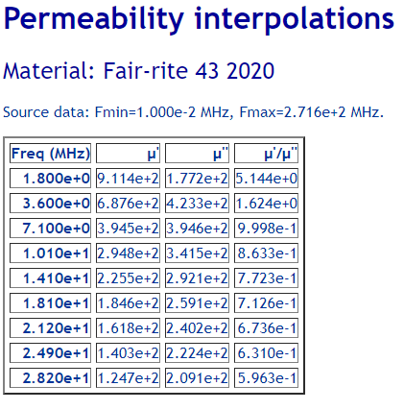

Ferrite core permeability is very dependent on frequency m' and m''

 |  |  |  |  |  | https://owenduffy.net/calc/mu/index.php

© 2024 AI6XG www.AI6XG.com |  | Fair-rite 43 2020
 | MHz | MHz | u' | u''
 | 0.01 | 0.01 | 816 | 10.1 | 80.79
 | 1 | 1.79 | 851.4 | 48
 | 1.80 | 2.00 | 911.4 | 177.2 | 5.14
 | 2.01 | 3.49 | 0.0 | 0.0
 | 3.50 | 4.00 | 687.6 | 423.3 | 1.62
 | 4.01 | 5.32 | 0.0 | 0.0
 | 5.33 | 5.41 | 504.4 | 427.3 | 1.18
 | 5.42 | 6.99 | 0.0 | 0.0
 | 7.00 | 7.30 | 394.5 | 394.6 | 1.00
 | 7.31 | 10.09 | 0.0 | 0.0
 | 10.10 | 10.15 | 294.8 | 341.5 | 0.86
 | 10.16 | 13.99 | 0.0 | 0.0
 | 14.00 | 14.35 | 225.5 | 292.1 | 0.77
 | 14.36 | 18.06 | 0.0 | 0.0
 | 18.07 | 18.17 | 184.6 | 259.1 | 0.71
 | 18.18 | 20.99 | 0.0 | 0.0
 | 21.00 | 21.45 | 161.8 | 240.2 | 0.67
 | 21.46 | 24.88 | 0.0 | 0.0
 | 24.89 | 24.99 | 140.3 | 222.4 | 0.63
 | 25.00 | 27.99 | 0.0 | 0.0
 | 28.00 | 29.70 | 126.7 | 210.8 | 0.60
 | 29.71 | 999.00 | 0.0 | 0.0

